Introduction
This document contains mappings of the CIS Critical Security Controls (CIS Controls) and CIS Safeguards to National Institute of Standards and Technology (NIST) Cybersecurity Framework (CSF) v2.0

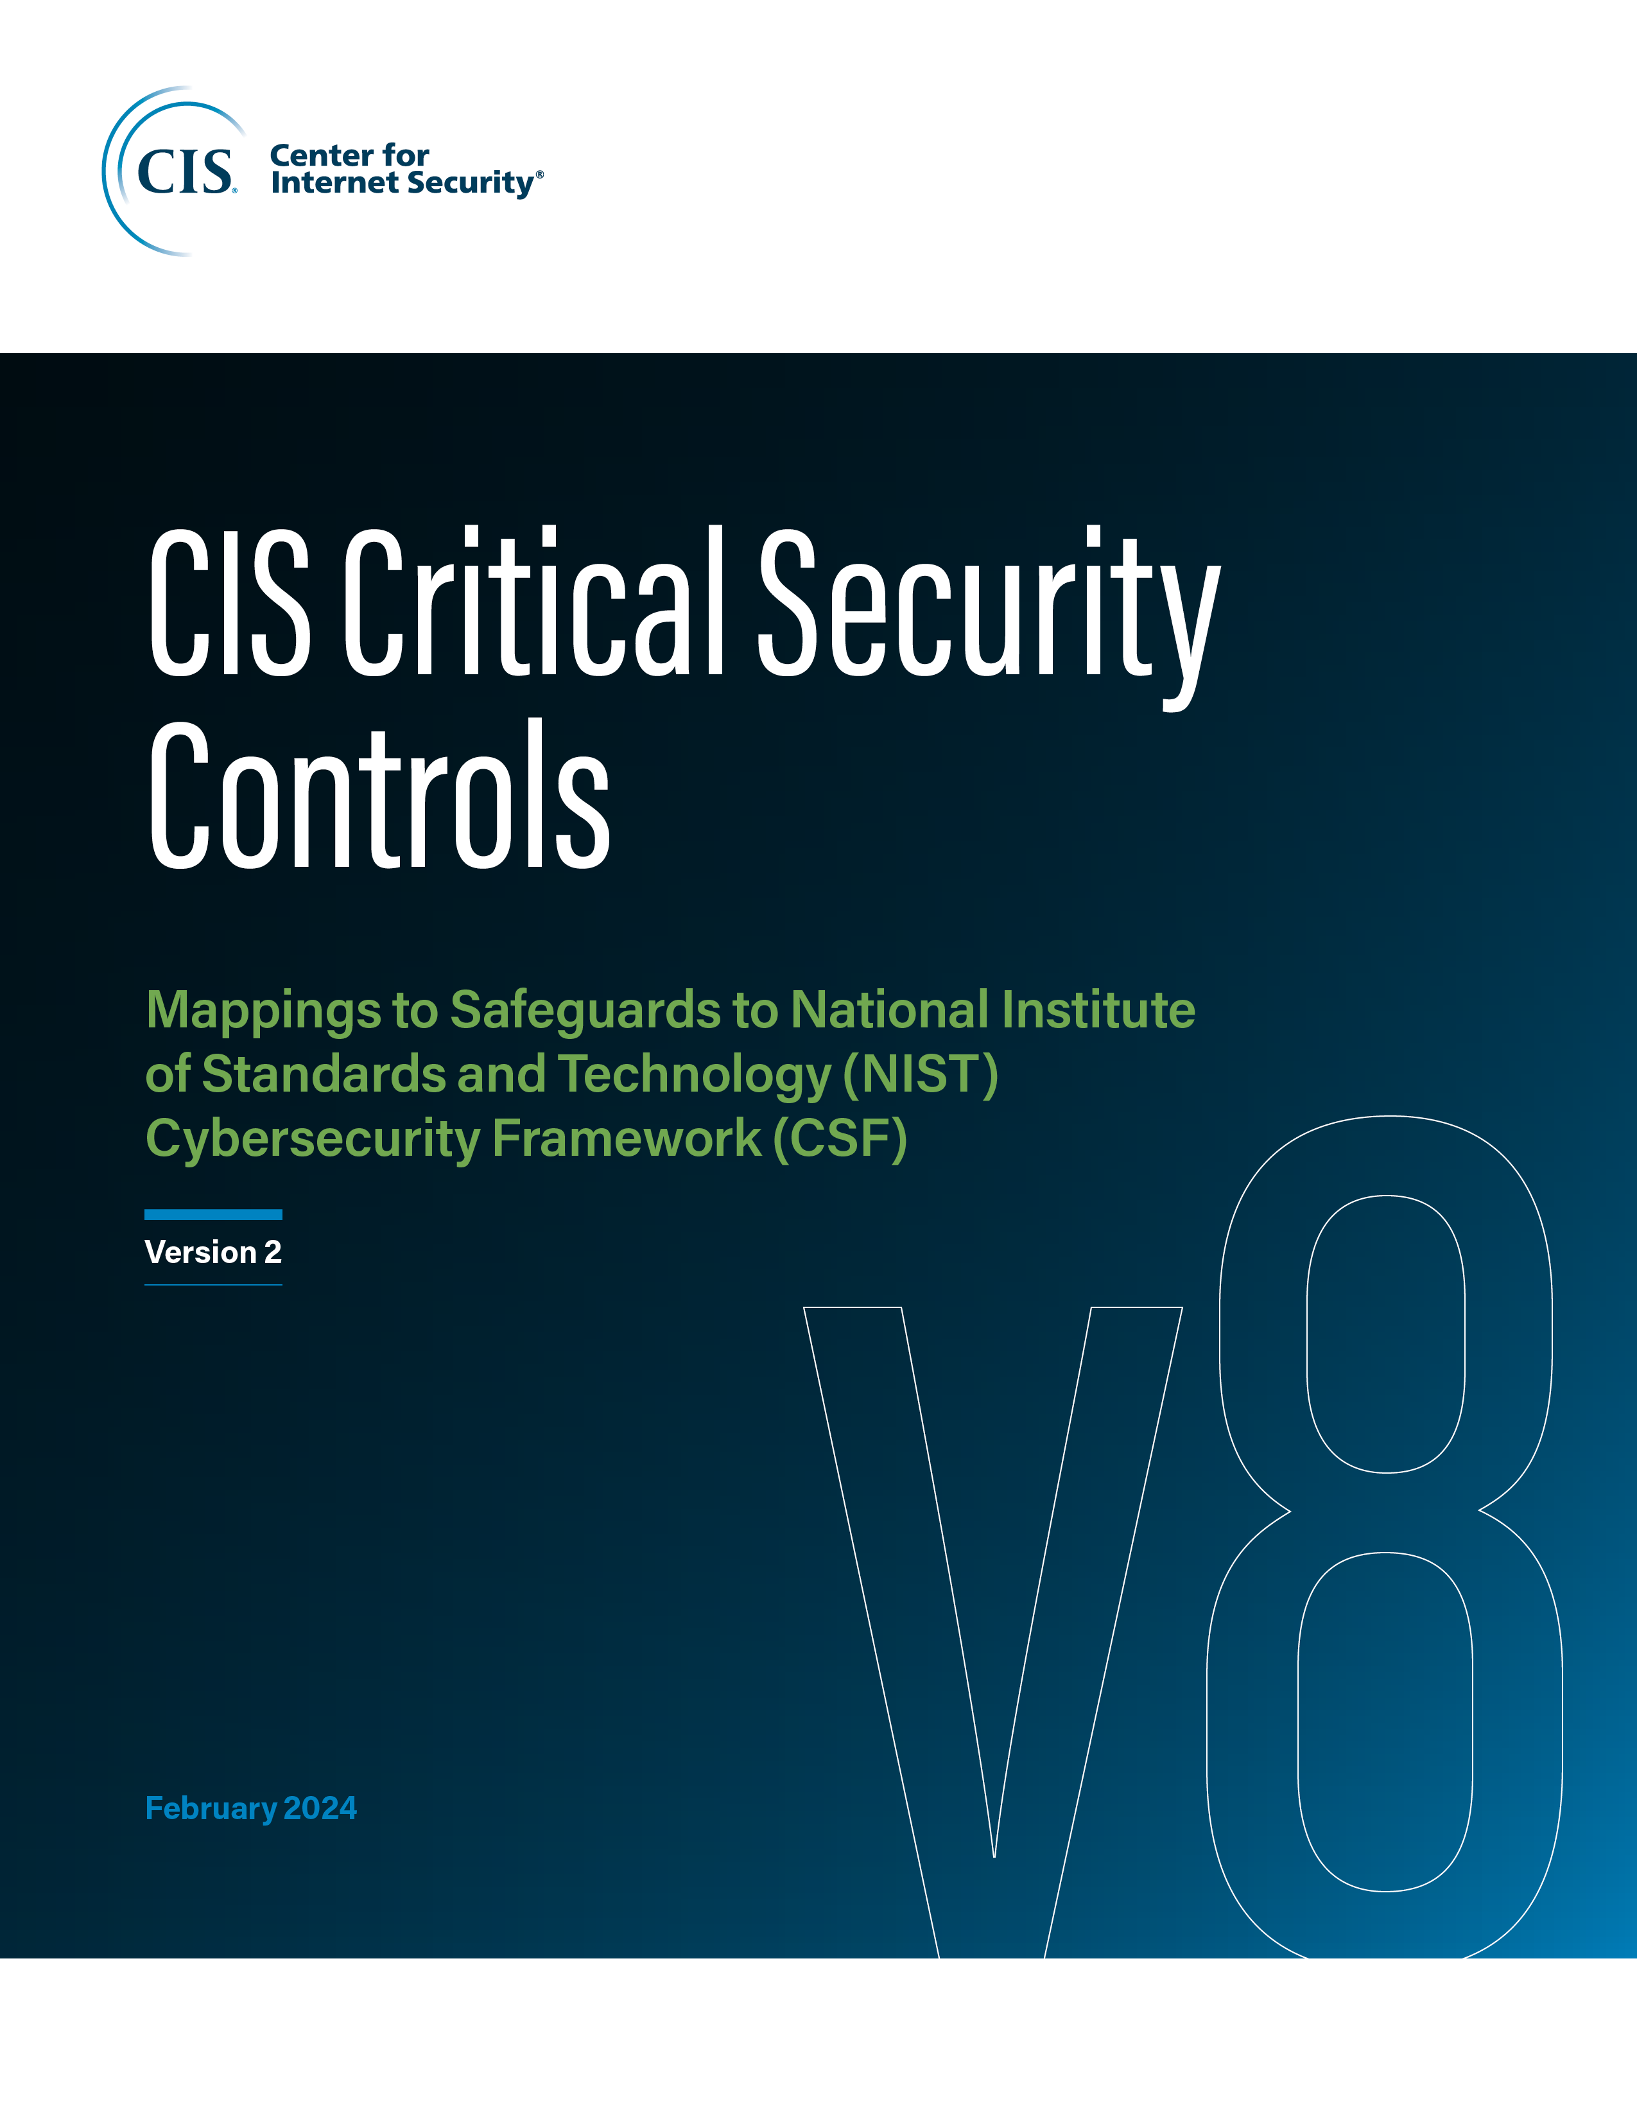

Contact Information
CIS
31 Tech Valley Drive
East Greenbush, NY 12061
518.266.3460
controlsinfo@cisecurity.org

Editors
Thomas Sager

